Tables explanation EN
 | groups (categories of products) | products (product catalogue with information for product cards listing)
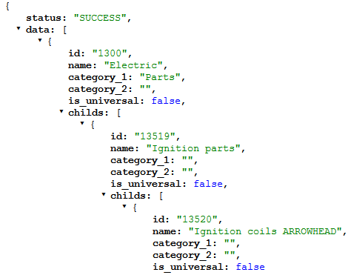
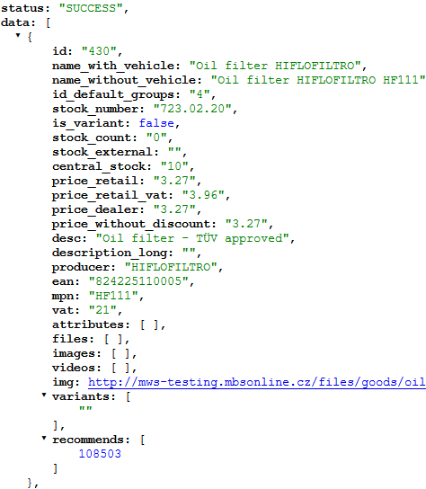

 | status: success = successfully loaded
 | id: group category ID
 | name: category name
 | is_universal: true = the group contains universal products (for example clothes, tools) => In the group detail you should show all products, even if the customer has selected bike
 | category_1 and _2 = main category name for retail groups tree

 |  | status: success = successfully loaded
 |  | id: product ID (used in all tables = main ID key!)
 |  | name_with_vehicle: product name for customers if vehicle is selected (after the title you add also compatible model name + compatible years)
 |  | name_without_vehicle: product name for customers if vehicle is not selected (dealer code added)
 |  | id_default_group: default group ID (main category / primary)
 |  | stock_number: product stock number (internal code, not shown to retail)
 |  | is_variant: true / false (false = product without variants)
groups_goods (connection groups - products) | stock_count (availability feed, 20 000 records / 1 page) | variants: ID of variants connected to the product (if there are some)
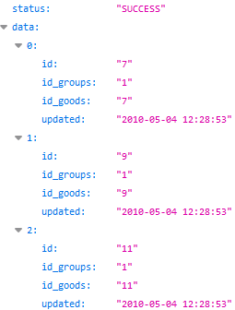
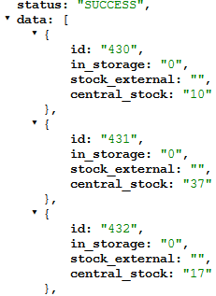
 |  | stock_count: number of products local Motopoint stock
 |  | stock_external: if product is not on stock in Motopoint, you can see texts of delivery term from some producers
 |  | central_stock: number of stock in central warehouse (Czech republic)
 |  | price_retail: retail price without VAT
 |  | price_retail_vat: retail price with VAT
 |  | price_dealer: purchase price of the dealer from Motopoint (without VAT)
 |  | price_without_discount: price without VAT before action (if the product is in action, use the value to show price difference to customers)
 |  | desc: short description of the product
 |  | description_long: long description of the product in HTML format
 |  | producer: producer of the product (brand)
 |  | ean: EAN code
 |  | mpn: MPN code of the product (for Google Merchant)
 |  | vat: VAT rate in %
 |  | attributes: contains attributes and their values (if there are some)
 |  | files: contains URL links to files and their names (if there are some)
 |  | videos: contains YouTube key of videos (if there are some)
status: success = successfully loaded | status: success = successfully loaded | images: URL links to the additional product pictures (you must add watermark)
id: connection ID | id: product ID | img: URL link to the main product picture (you must add watermark)
id_groups: ID of the group | in_storage: number of products local Motopoint stock (to your customer show just on stock / not on stock) | recommends: ID of products, which we recommend to buy with the product
id_goods: product ID under the group | stock_external: if product is not on stock in Motopoint, you can see texts of delivery term from some producers
updated: date / time of the last change | central_stock: number of stock in central warehouse (Czech republic)

